Home
Instant Payments Adoption Maturity Self Assessment Tool for Financial Institutions

Instructions:

1) | Evaluate your readiness across Business, Operational and Technology dimensions by clicking on the 'Start' button below
2) | In the individual readiness tabs for each dimension, select the status for the readiness activities from the drop-down list based on your current completion status
3) | On clicking 'Calculate' after completing the readiness status survey, you will be taken to the Maturity Curve tab to understand where you are in the Instant Payment Adoption Journey by benchmarking the scores against the maturity model and determining the organization’s position on the maturity curve

Note: By clicking on 'Start' below you are agreeing to the Consent Note
Click here to read the Consent Note

Start

1. Business Readiness
Home
Assess Your Business Readiness

In the ‘Business Readiness’ table, select the status for the Business Readiness activities from the drop down list based on your current completion status. Scores will get auto-populated -

# | Business Readiness Activities | Status (Select the most appropriate option from the drop-down list) | Score
1 | Align on the strategic/business objective for adopting instant payments
2 | Educate internal stakeholders on benefits and long term opportunity of instant payments
3 | Determine the connectivity options to connect to network (e.g., connect directly to instant payment network or connect by way of a Third Party Service Provider)
4 | Understand the eligibility criteria (e.g., need to be depository institution), Participation Agreement (review network rules, technical specifications, network fee schedule) and Indemnity to become a network participant
5 | Understand the ongoing obligations as a Network participant (e.g., need for annual audit, need to comply with network's technical specifications, authentication capability, etc.)
6 | Finalize a pre-funding model (e.g., choosing to be a Funding participant vs. using a Funding agent) required to fulfil network's obligations
7 | Identify segment(s) of your customer population that expressed most interest in Instant Payments and corresponding use cases where Instant Payments could be applicable/most beneficial
8 | Design a criteria to prioritize use cases (e.g., alignment with organization goals, investment required, resources needed, expected changes in internal processes, etc.)
9 | Evaluate use cases and identify the highest priority use case(s)
10 | Build a business case for the identified use case
11 | Secure buy in from relevant key stakeholders on the business case and get funding approval for implementation
12 | Evaluate the pricing model to offer instant payment services

<< Back
Next >>
 | Average Business Readiness Score:

2. Operational Readiness
Home
Assess Your Operational Readiness

In the ‘Operational Readiness’ table, select the status for the Operational Readiness activities from the drop down list based on your current completion status. Scores will get auto-populated -

# | Operational Readiness Activities | Status (Select the most appropriate option from the drop-down list) | Score
1 | Integrate current operations environment with new transaction posting workflow to handle 24x7 message processing and manage transaction scenarios including rejects on the systems
2 | Recognize the regulatory considerations for adopting Instant Payments, evaluate existing fraud, send / receive limits and risk monitoring services/procedures and ramp up as needed
3 | Build customer journeys with focus on customer experiences and coordinate with legal/compliance staff to review customer documentation to determine appropriate changes to agreements, T&Cs, online disclosures, training materials etc.
4 | Identify level of technology support required (e.g., define SLAs)
5 | Prepare business process documentation and update training materials for internal stakeholders e.g. customer support teams
6 | Educate and train technology operations team; ensure they are sufficiently staffed
7 | Educate and train customer support representatives to answer customer queries on Instant Payments; ensure team is sufficiently staffed
8 | Design resources to educate customers about Instant Payments (e.g., FAQs on FI website)

<< Back
Next >>
 | Average Operational Readiness Score:

3. Technology Readiness
Home
Assess Your Technology Readiness

In the ‘Technology Readiness’ table, select the status for the Technology Readiness activities from the drop down list based on your current completion status. Scores will get auto-populated -

# | Technology Readiness Activities | Status (Select the most appropriate option from the drop-down list) | Score
1 | Identify the required technological updates to legacy systems to accelerate instant payments implementation
2 | Identify additional services/modules required to be integrated to existing technology infrastructure (e.g., enhancements required to existing systems)
3 | Develop the online interface required for retail/corporate customers to perform activities such as make real-time payment, customer sign up process, view transactions / necessary reports
4 | Onboard businesses/corporate partners to your online interface (integrate manually or via APIs) and provide required access / user settings
5 | Run controlled testing with other FIs to test round-trip transaction flow
6 | Run controlled/small-scale pilots with potential businesses/corporate partners and small customer cohorts
7 | Expand Instant Payments offering across channels (mobile, web)
8 | Develop capability to enable messages to flow to customer service and customer-facing systems

<< Back
Calculate >>
 | Average Technology Readiness Score:

Maturity Curve
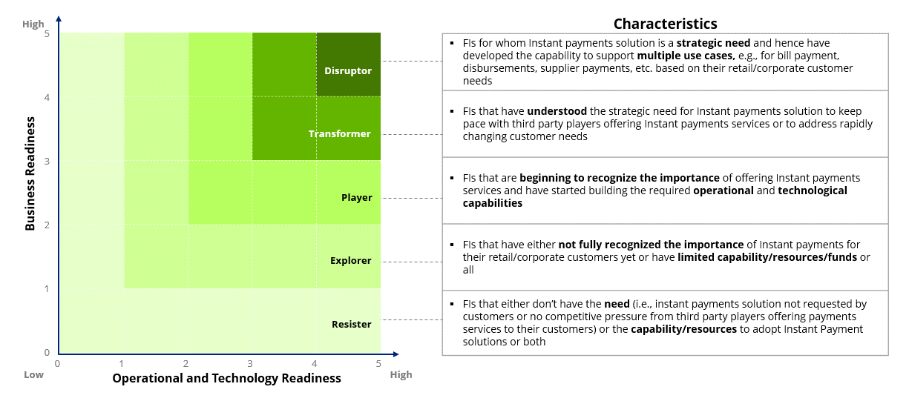
Home
Identify Where You Are On The Maturity Curve

 | Average Business Readiness Score:

 | Average Operational and Technology Readiness Score:

 | Based on your scores on all the dimensions, you are
 | Below are some of the next steps that may be considered based on your position on the Maturity Curve:

 | To schedule a business discussion, save your results and share it with Deloitte at usrtppractice@deloitte.com, with the subject-line "Instant Payments Self Assessment | Financial Institution <Name of your organization>"

